Invoice 1004 new
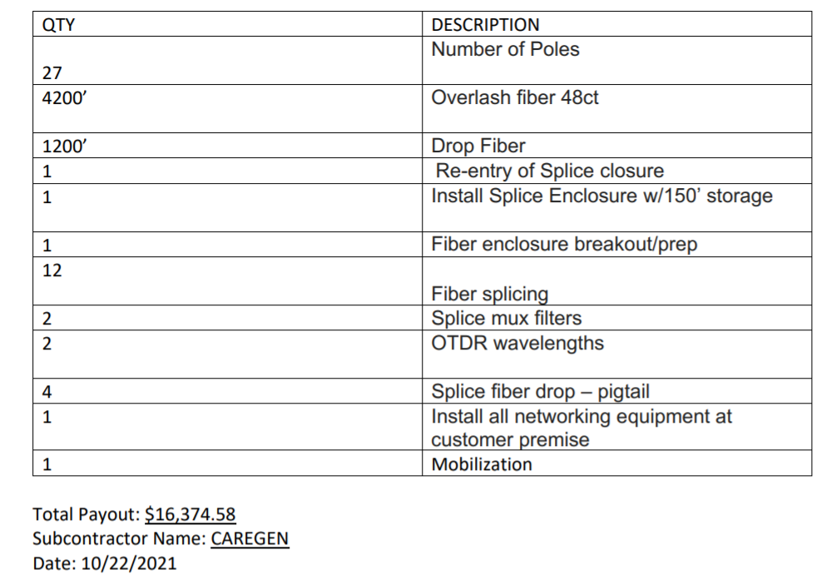
Invoice

CareGen Group

Payor | Payable to | Invoice Number
Vyve Technology Solutions | CareGen | #1004

Project |  | Due date
Mt Shasta |  | 2021-10-22

Invoice.006
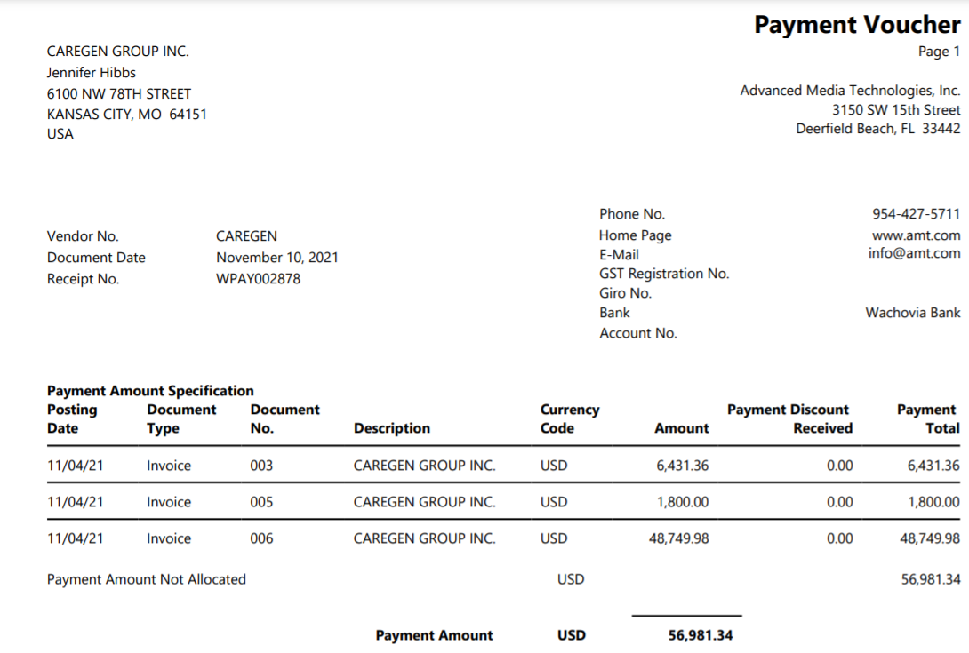
Invoice

Gold Alliance LLC

Payor | Payable to |  | Invoice Number
CareGen Group | Gold Alliance LLC |  | 6

Project |  |  | Due date
Dequeen, AR |  |  | 2021-11-12

Description |  | Unit price | Total price
Vyve Construction 003 |  | $6,431.36 | $6,431.36
Vyve Construction 005 |  | $1,800.00 | $1,800.00
Vyve Construction 006 |  | $48,749.98 | $48,749.98
Transaction Fee |  | -$20.00 | -$20.00
 |  | Subtotal | $56,961.34

Invoice.007
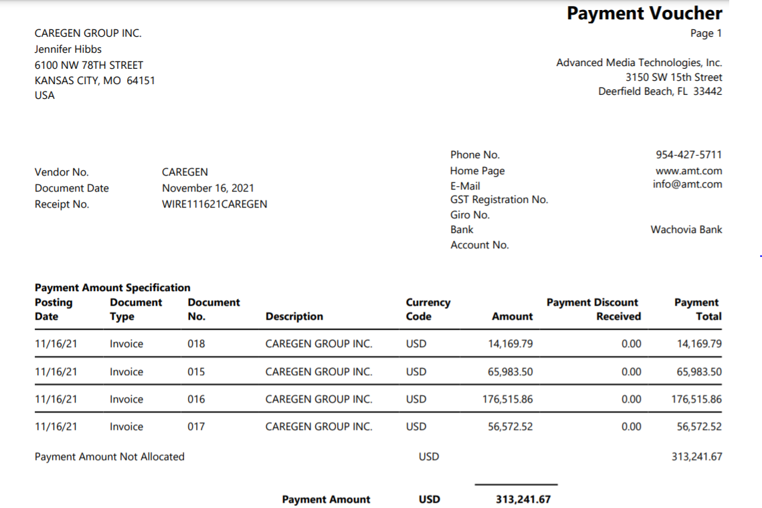
Invoice

Gold Alliance LLC

Payor | Payable to |  | Invoice Number
CareGen Group | Gold Alliance LLC |  | 7

Project |  |  | Due date
Dequeen, AR |  |  | 2021-11-17

Description |  | Unit price | Total price
Vyve Construction 015 |  | $65,983.50 | $65,983.50
Vyve Construction 016 |  | $176,515.86 | $176,515.86
Vyve Construction 017 |  | $56,572.52 | $56,572.52
Vyve Construction 018 |  | $14,169.79 | $14,169.79
Transaction Fee |  | -$20.00 | -$20.00
cG |  | -$32,500.00 | -$32,500.00
 |  | Subtotal | $280,721.67

Invoice.010
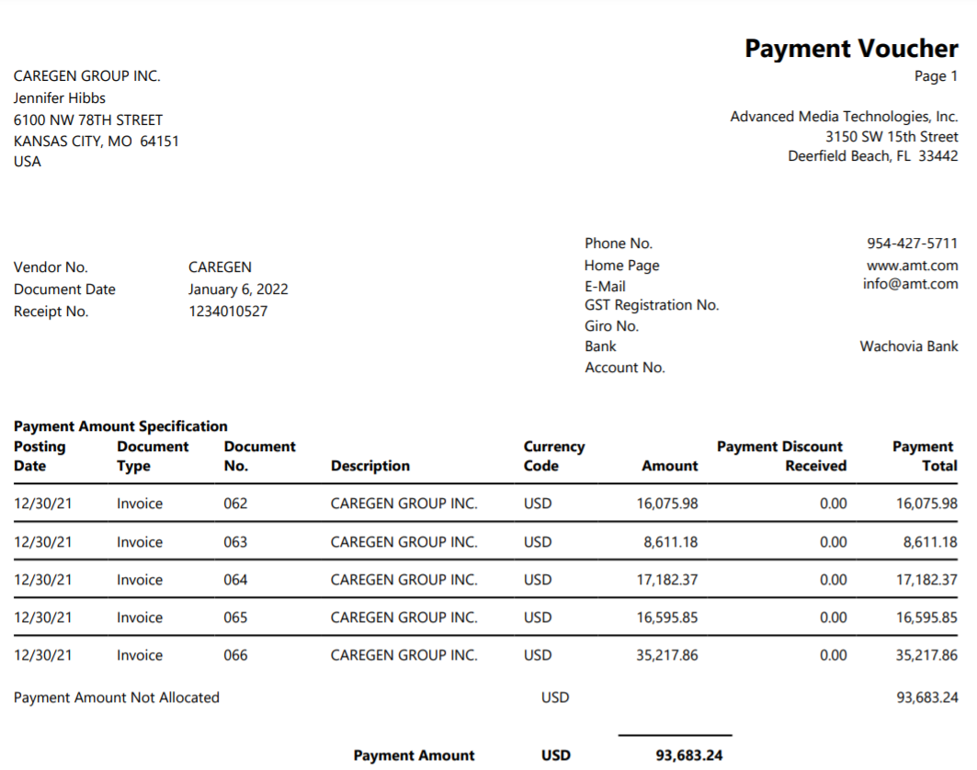
Invoice

Gold Alliance LLC

Payor | Payable to |  | Invoice Number
CareGen Group | Gold Alliance LLC |  | 10

Project |  |  | Due date
Atwood, KS & Dequeen, AR |  |  | 2021-02-10

Description |  | Unit price | Total price
Vyve Construction 062 |  | $16,075.98 | $16,075.98
Vyve Construction 063 |  | $8,611.18 | $8,611.18
Vyve Construction 064 |  | $17,182.37 | $17,182.37
Vyve Construction 065 |  | $16,595.85 | $16,595.85
Vyve Construction 066 |  | $35,217.86 | 35217.86
Atwood Construction 1004 |  | $78,363.40 | $78,363.40
Atwood Construction 1005 |  | $19,013.00 | $19,013.00
Transaction Fee |  | -$25.00 | -$25.00
cG |  | -$63,678.00 | -$63,678.00
 |  | Subtotal | $127,356.64

Invoice.011
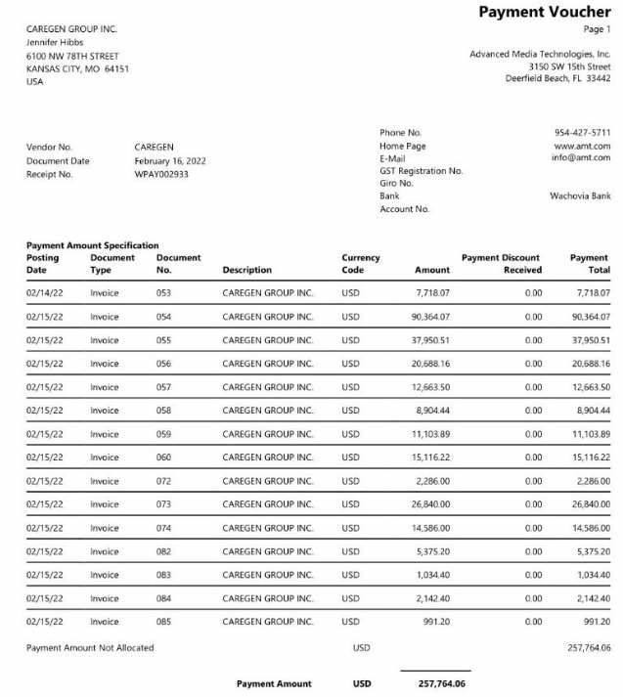
Invoice

Gold Alliance LLC

Payor | Payable to |  | Invoice Number
CareGen Group | Gold Alliance LLC |  | 11

Project |  |  | Due date
Mena & Dequeen |  |  | 2022-02-18

Description |  | Unit price | Total price
Vyve Construction 053 |  | $7,718.07 | $7,718.07
Vyve Construction 054 |  | $90,364.07 | $90,364.07
Vyve Construction 055 |  | $37,950.51 | $37,950.51
Vyve Construction 056 |  | $20,688.16 | $20,688.16
Vyve Construction 057 |  | $12,663.50 | $12,663.50
Vyve Construction 058 |  | $8,904.44 | $8,904.44
Vyve Construction 059 |  | $11,103.89 | $11,103.89
Vyve Construction 060 |  | $15,116.22 | $15,116.22
Vyve Construction 072 |  | $2,286.00 | $2,286.00
Vyve Construction 073 |  | $26,840.00 | $26,840.00
Vyve Construction 074 |  | $14,586.00 | $14,586.00
Vyve Construction 082 |  | $5,375.20 | $5,375.20
Vyve Construction 083 |  | $1,034.40 | $1,034.40
Vyve Construction 084 |  | $2,142.40 | $2,142.40
Vyve Construction 085 |  | $991.20 | $991.20
CG |  | $17,010.77 | -$17,010.77
Transaction Fee |  | -$25.00 | -$25.00
 |  | Subtotal | $240,728.29

Invoice.013
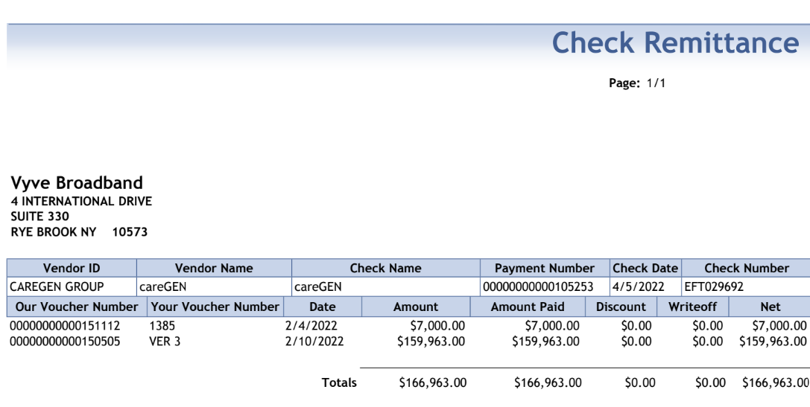
Invoice

Gold Alliance LLC

Payor | Payable to |  | Invoice Number
CareGen Group | Gold Alliance LLC |  | 11

Project |  |  | Due date
Douglas, WY |  |  | 2022-04-05

Description |  | Unit price | Total price
Vyve Construction 085 |  | $159,963.00 | $159,963.00
Transaction Fee |  | -$25.00 | -$25.00
 |  | Subtotal | $159,938.00

Invoice.015
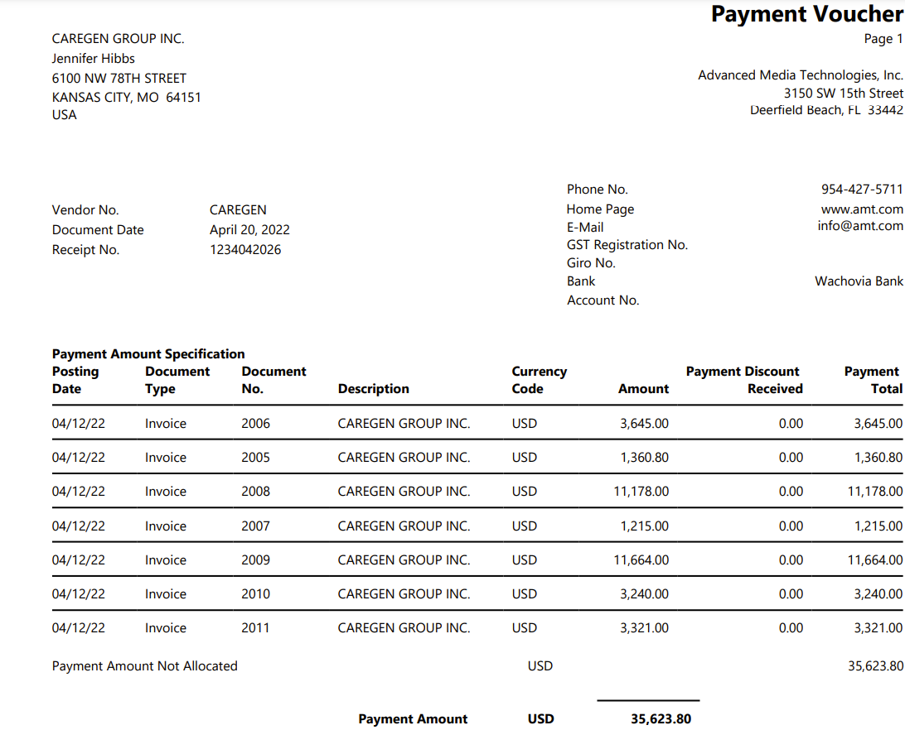
Invoice

Gold Alliance LLC

Payor | Payable to |  | Invoice Number
CareGen Group | Gold Alliance LLC |  | 15

Project |  |  | Due date
AMT |  |  | 2022-04-29

Description |  | Unit price | Total price
Invoice 2005 |  | $1,360.80 | $1,360.80
Invoice 2006 |  | $3,645.00 | $3,645.00
Invoice 2007 |  | $1,215.00 | $1,215.00
Invoice 2008 |  | $11,178.00 | $11,178.00
Invoice 2009 |  | $11,664.00 | $11,664.00
Invoice 2010 |  | $3,240.00 | $3,240.00
Invoice 2011 |  | $3,321.00 | $3,321.00
CG |  | -$3,800.00 | -$3,800.00
Transaction Fee |  | -$25.00 | -$25.00
 |  | Subtotal | $31,798.80

